Test Results
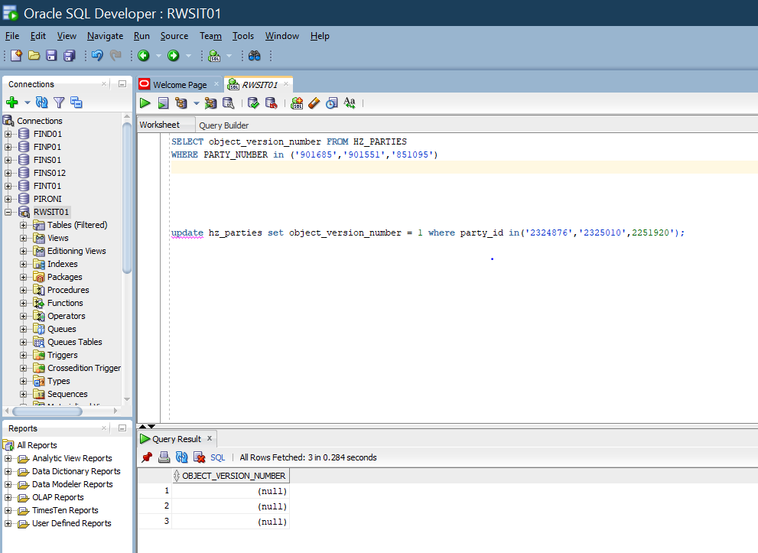
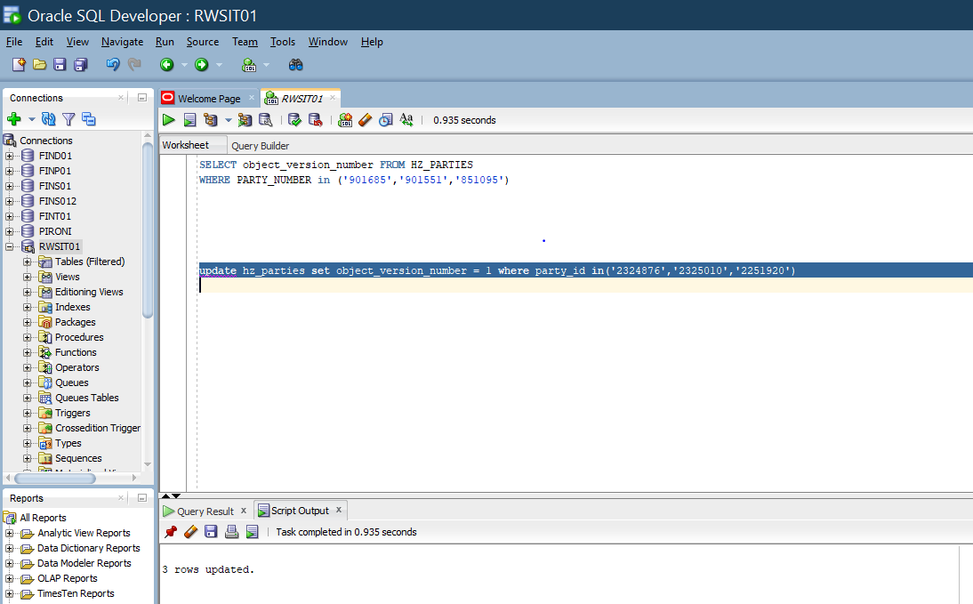
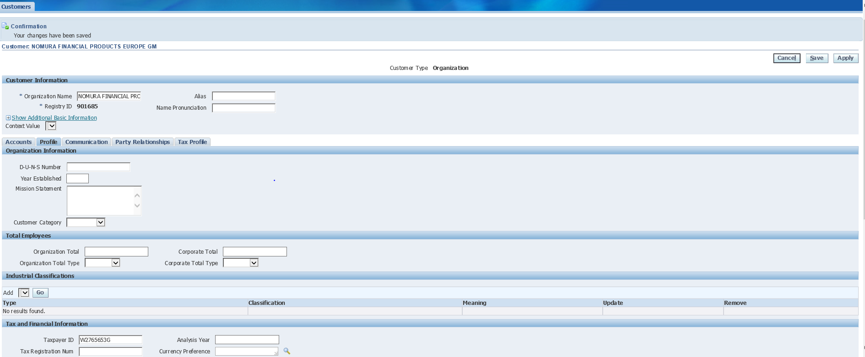
Go Back
 | Test Results
 | Following are the test results from lower instance.
 | After the fix applied we should able to save the customer -tax payer id

 | screen shot from test

